ZILQD
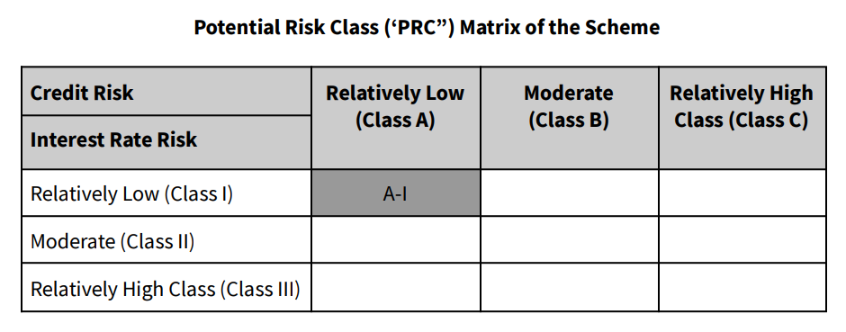
PURSUANT TO REGULATION 59A OF SECURITIES & EXCHANGE BOARD OF INDIA (MUTUAL FUNDS) REGULATIONS, 1996
MONTHLY PORTFOLIO STATEMENT OF ZERODHA NIFTY 1D RATE LIQUID ETF FOR MARCH 2024

Name of the Instrument | ISIN | Rating / Industry | Quantity | Market value (Rs. in Lakhs) | % to NAV | YTM %

OTHERS
TREPS / Reverse Repo Investments
Clearing Corporation of India Limited |  |  |  | 66,711.15 | 99.52% | 7.03%
Total |  |  |  | 66,711.15 | 99.52%

Other Current Assets / (Liabilities)
Net Receivable / Payable |  |  |  | 324.09 | 0.48%
Total |  |  |  | 324.09 | 0.48%

GRAND TOTAL (AUM) |  |  |  | 67,035.24 | 100.00%

Notes:
(1) The aggregate value of illiquid equity shares of the Scheme and its percentage to Net Asset Value is Nil.
(2) Option wise per unit Net Asset Values are as follows:

Option | As on 31 Mar 2024 | As on 29 Feb 2024
Direct Plan Growth Option | 101.3934 | 100.8479

(3) Details of Schemes having exposure in Derivatives is as follows :
a. Hedging Positions through Futures as on Mar 31,2024 is Nil
For the period ended Mar 31,2024 , hedging transactions through futures which have been squared off/expired is Nil.
b. Other than Hedging Positions through Futures as on Mar 31,2024 is Nil.
For the period ended Mar 31,2024 , non-hedging transactions through futures which have been squared off/expired is Nil.
c. Hedging Positions through Options as on Mar 31,2024 is Nil.
d. Other than Hedging Positions through Options as on Mar 31,2024 is Nil.
e. Hedging Positions through swaps as on Mar 31,2024 is Nil.
(4) Dividend declared for the Month ended Mar 31,2024 - Not Applicable
(5) Bonus declared for the month ended Mar 31,2024 - Not Applicable
(6) The total market value of investments in foreign securities / American Depositary Receipts / Global Depositary Receipts as on Mar 31,2024 is Nil.
(7)Annualised Portfolio YTM : 7.03%
(8) Macaulay Duration : 0.01 Years
(9) The Average Maturity Period of the Portfolio is 2 Days*.
(10) Investment in Repo in Corporate Debt Securities during the month ended Mar 31,2024 is Nil.
(11) No. of instances of deviation from valuation guidelines is Nil
*Since March 29, 2024 is a Friday and March 30 & 31, 2024 is a settlement holiday, hence the portfolio has an average maturity period of 2 days.

This product is suitable for investors who are seeking*
> Short Term savings solution

> Investment in securities covered by NIFTY 1D Rate Index.

> Degree of risk – LOW
*Investors should consult their financial advisers if in doubt about whether the product is suitable for them.

Benchmark Riskometer- Nifty 1D Rate Index

Scheme Risk-O-Meter

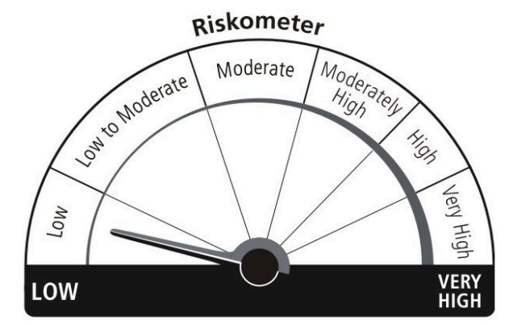

Benchmark Risk-O-Meter

